Sheet1
 |  | Document No. | Issue No. | Issue Date |  | Review and Replace Date |  | Authorised By
 |  | GFF296MC | 1 | 22.07.2021 |  | New issue |  | Magda Shah
 |  | Document Title | 15 Lamb Samosa Jumbo 1800g

Document amendments reason for change |  | New document | Page 1 of 1 |  | Previous Issue Date |  | New issue | Uncontrolled copy unless signed original

FLSAJ-B15BPR | DDC |  | 15 Lamb Samosa Jumbo 1800g | FROZEN
STEP 1 |  |  |  |  | STEP 2
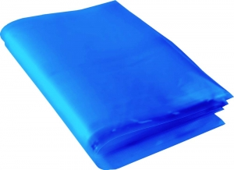 |  |  |  |  | 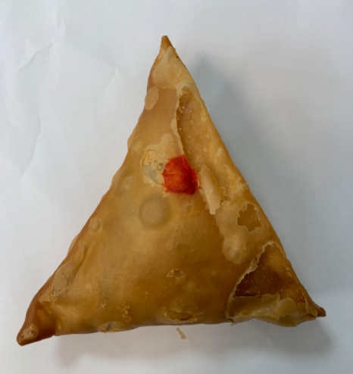

Blue Bag: 13” x 15” x 45mu Blue Tint Bags Plain (FREEZER BAG) (PKSEE002-03) |  |  |  |  | Lamb Samosa Extra Large 120g (GFF005R): 15 Pieces (1800g)

STEP 3
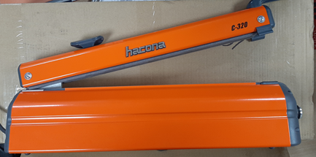

FROZEN
PACK + 1 year

USE HAND SEALER TO SEAL THE BAG

TOTAL WEIGHT: 1800g

ALLERGY ALERT: WHEAT, SOYA

